Natural Gas
Notes:
For Natural Gas, we use an industry estimate of lockdown-induced demand reduction, to calculate demand reduction in the months of April and May, 2020.
From June 2020 onwards, the demand is assumed to increase in a graded manner by Q4 of 2020, to the counterfactual monthly demand estimated from
the monthly consumption trends in FY2020.

Estimate of lockdown-related demand reduction
-0.2 | (15-20-% reduction)
Source | https://www.spglobal.com/platts/en/market-insights/latest-news/natural-gas/032620-india-lockdown-domestic-natural-gas-demand-set-to-plummet

Monthwise Consumption of Nat Gas
Financial Year 2019-20 (April to March)
Natural Gas Consumption (including internal consumption)*
In MMSCM
Month | April | May | June | July | August | September | October | November | December | January | February | March | Total
Net Production | 2579 | 2661 | 2558 | 2639 | 2611 | 2491 | 2569 | 2496 | 2539 | 2530 | 2257 |  | 27930
LNG import | 2757 | 2371 | 2872 | 2795 | 2823 | 2798 | 2826 | 2589 | 2756 | 2771 | 3453 |  | 30812
Total Consumption (Net Production + LNG import) | 5336 | 5032 | 5430 | 5433 | 5434 | 5289 | 5396 | 5084 | 5295 | 5301 | 5710 | 5439 | 58742
 | 1 | 2 | 3 | 4 | 5 | 6 | 7 | 8 | 9 | 10 | 11 | 12
Source: | PPAC
 | https://www.ppac.gov.in/content/152_1_Consumption.aspx
Trend based monthly avg. counterfactual consumption for March & June 2020 | 5439 | (based on pre-covid trend between April '19 to Feb '20)
Consumption Deficit | 1088

 |  | Q2 2020 |  |  | Q3 2020 |  |  | Q4 2020 |  |  | Q1 2021
 |  |  |  | % of demand deficit bridged in graded easing of lockdown
 | Pre-lockdown | Lockdown | Lockdown | 0.20 | 0.40 | 0.60 | 0.80 | 1.00
 | Mar-20 | Apr-20 | May-20 | Jun-20 | Jul-20 | Aug-20 | Sep-20 | Oct-20 | Nov-20 | Dec-20 | Jan-21 | Feb-21 | Mar-21
Consumption (mmscm) | 5439 | 4351 | 4351 | 4568 | 4786 | 5003 | 5221 | 5439 | 5439 | 5439 | 5439 | 5439 | 5439
Nat-gas demand adjustment
FY2021 consumption | 60912
Counterfactual FY2021 consumption | 64180

%reduction | -0.051

POSOCO data
 | 3339
 | 3035
 | 2974
 | 2777
 | 2652
 | 2592
 | 2628
 | 2639
 | 2665
 | 2705
 | 2731
 | 2787
 | 2794
 | 2791
 | 2752
 | 2757
 | 2727
 | 2716
 | 2695
 | 2718
 | 2801
 | 2819
 | 2913
 | 2977
 | 2939
 | 2968
 | 2985
 | 2908
 | 2862
 | 2864
 | 2789
 | 2900
 | 2919
 | 2917
 | 2896
 | 2742
 | 2740
 | 2834
 | 2861
 | 2955
 | 2928
 | 2997
 | 2961
 | 3007
 | 3050
 | 3049
 | 3068
 | 3193
 | 3287
 | 3071
...
 | Date | Energy consumption (GWh)
1 | 15-Mar-20 | 3339
2 | 22-Mar-20 | 3035
3 | 24-Mar-20 | 2974
4 | 25-Mar-20 | 2777
5 | 26-Mar-20 | 2652
6 | 27-Mar-20 | 2592
7 | 28-Mar-20 | 2628
8 | 29-Mar-20 | 2639
9 | 30-Mar-20 | 2665
10 | 31-Mar-20 | 2705
11 | 1-Apr-20 | 2731
12 | 2-Apr-20 | 2787
13 | 3-Apr-20 | 2794
14 | 4-Apr-20 | 2791
15 | 5-Apr-20 | 2752
16 | 6-Apr-20 | 2757
17 | 7-Apr-20 | 2727
18 | 8-Apr-20 | 2716
19 | 9-Apr-20 | 2695
20 | 10-Apr-20 | 2718
21 | 11-Apr-20 | 2801
22 | 12-Apr-20 | 2819
23 | 13-Apr-20 | 2913
24 | 14-Apr-20 | 2977
25 | 15-Apr-20 | 2939
26 | 16-Apr-20 | 2968
27 | 17-Apr-20 | 2985
28 | 18-Apr-20 | 2908
29 | 19-Apr-20 | 2862
30 | 20-Apr-20 | 2864
31 | 21-Apr-20 | 2789
32 | 22-Apr-20 | 2900
33 | 23-Apr-20 | 2919
34 | 24-Apr-20 | 2917
35 | 25-Apr-20 | 2896
36 | 26-Apr-20 | 2742
37 | 27-Apr-20 | 2740
38 | 28-Apr-20 | 2834
39 | 29-Apr-20 | 2861
40 | 30-Apr-20 | 2955
41 | 1-May-20 | 2928
42 | 2-May-20 | 2997
43 | 3-May-20 | 2961
44 | 4-May-20 | 3007
45 | 5-May-20 | 3050
46 | 6-May-20 | 3049
47 | 7-May-20 | 3068
48 | 8-May-20 | 3193
49 | 9-May-20 | 3287
50 | 10-May-20 | 3071
51 | 11-May-20 | 3065
52 | 12-May-20 | 3248
53 | 13-May-20 | 3313
54 | 14-May-20 | 3320
55 | 15-May-20 | 3373
56 | 16-May-20 | 3409

Source: | POSOCO COVID-19 management weekly reports
 | https://posoco.in/covid-19/

Petroleum Products
Notes:
We have data of impacted demand of petroleum products during the first month of lockdown in April 2020.
We assume the reduction in demand would continue during May, and the demand deficit would gradually be made up
in a phased manner over Q32020, to reach a counterfactual monthly average by Q42020. Counterfactual demand
is estimated from the pre-covid forecast for petroleum consumption by PPAC for FY2021.
The demand recovery for ATF has been calculated separately, with international flights assumed to resume operations only by Q42020.
 |  |  |  |  | Q2 2020 |  |  | Q3 2020 |  |  | Q4 2020 |  |  | Q1 2021
 |  |  |  |  |  |  | % of demand deficit bridged in graded easing of lockdown
Estimated monthly consumption (TMT) for FY 2021 |  |  |  | Pre-lockdown | Lockdown | Lockdown | 0.20 | 0.40 | 0.60 | 0.80 | 1.00
 | Primary end use sector(s) | FY2021 pre-cov forecast | Monthly avg FY2021 pre-cov forecast | Mar-20 | Apr-20 | May-20 | Jun-20 | Jul-20 | Aug-20 | Sep-20 | Oct-20 | Nov-20 | Dec-20 | Jan-21 | Feb-21 | Mar-21 | FY2021 cov-adj forecast | %change
LPG | Domestic | 27,964 | 2330 | 2306 | 2132 | 2132 | 2172 | 2211 | 2251 | 2291 | 2330 | 2330 | 2330 | 2330 | 2330 | 2330 | 27170 | -0.03
SKO | Domestic | 2,284 | 190 | 152 | 129 | 129 | 141 | 154 | 166 | 178 | 190 | 190 | 190 | 190 | 190 | 190 | 2039 | -0.11
MS (Petrol) | Transport | 33,430 | 2786 | 2156 | 973 | 973 | 1335 | 1698 | 2061 | 2423 | 2786 | 2786 | 2786 | 2786 | 2786 | 2786 | 26178 | -0.22
Naphtha | Petroleum & Nat Gas, Chemicals | 12,705 | 1059 | 1386 | 859 | 859 | 899 | 939 | 979 | 1019 | 1059 | 1059 | 1059 | 1059 | 1059 | 1059 | 11908 | -0.06
HSD | Transport | 86,588 | 7216 | 5651 | 3250 | 3250 | 4043 | 4836 | 5629 | 6422 | 7216 | 7216 | 7216 | 7216 | 7216 | 7216 | 70724 | -0.18
ATF | Transport | 8,710 | 726 | 484 | 56 | 56 | 190 | 324 | 458 | 592 | 726 | 726 | 726 | 726 | 726 | 726 | 6032 | -0.31 | <-- not used, calculated separately below
LDO | Power, Others | 663 | 55 | 49 | 28 | 28 | 33 | 39 | 44 | 50 | 55 | 55 | 55 | 55 | 55 | 55 | 553 | -0.17
Lubes/Greases |  | 3,728 | 311 | 296 | 212 | 212 | 232 | 251 | 271 | 291 | 311 | 311 | 311 | 311 | 311 | 311 | 3333 | -0.11
FO/LSHS | Manufacturing, Others | 5,639 | 470 | 482 | 297 | 297 | 332 | 366 | 401 | 435 | 470 | 470 | 470 | 470 | 470 | 470 | 4949 | -0.12
Bitumen | Construction | 7,483 | 624 | 525 | 196 | 196 | 281 | 367 | 452 | 538 | 624 | 624 | 624 | 624 | 624 | 624 | 5771 | -0.23
Petcoke |  | 21,400 | 1783 | 1680 | 1135 | 1135 | 1265 | 1394 | 1524 | 1654 | 1783 | 1783 | 1783 | 1783 | 1783 | 1783 | 18806 | -0.12
Others |  | 12,196 | 1016 | 917 | 662 | 662 | 733 | 804 | 875 | 946 | 1016 | 1016 | 1016 | 1016 | 1016 | 1016 | 10781 | -0.12
(Fuels used for energy purposes, highlighted in yellow)
Source: | PPAC forecast & analysis reports, Budgeted Estimate for FY2021
 | https://www.ppac.gov.in/content/7_1_ForecastandAnalysis.aspx
 | PPAC current consumption of petroleum
 | https://www.ppac.gov.in/content/147_1_ConsumptionPetroleum.aspx

 |  |  | Q2 2020 |  |  | Q3 2020 |  |  | Q4 2020 |  |  | Q1 2021
ATF calculations | Fuel Split (March | Monthly avg FY2021 pre-cov forecast split | Apr-20 | May-20 | Jun-20 | Jul-20 | Aug-20 | Sep-20 | Oct-20 | Nov-20 | Dec-20 | Jan-21 | Feb-21 | Mar-21 | FY2021 cov-adj forecast
ATF-Domestic | 198 | 298 | 23 | 23 | 78 | 133 | 188 | 243 | 298 | 298 | 298 | 298 | 298 | 298 | 2473
ATF-International | 286 | 428 | 33 | 33 | 33 | 33 | 33 | 33 | 112 | 191 | 270 | 349 | 428 | 428 | 1980
 |  |  |  |  |  |  |  |  |  |  |  |  |  | total | 4452
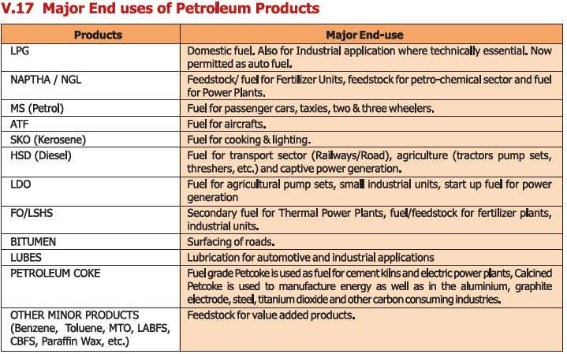
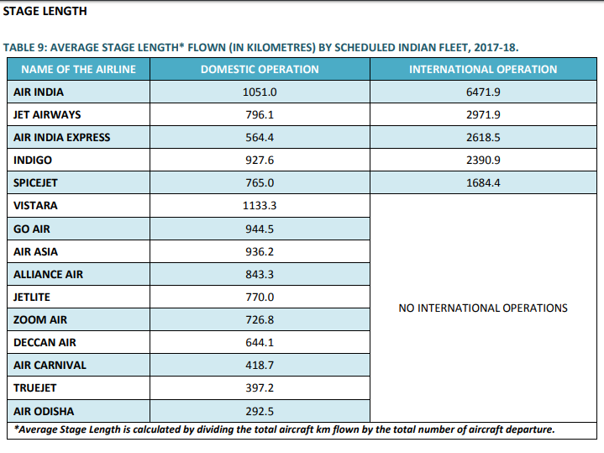
 |  |  |  |  |  |  |  |  |  |  |  |  |  | %change | -0.49

Source: | MoPNG Statistics - 2018
 | http://petroleum.nic.in/more/indian-png-statistics
 |  |  |  |  | Source: | Handbook on Civil Aviation Statistics; Table 9, Page 10
 |  |  |  |  |  | http://164.100.60.133/pub/HANDBOOK%202017-18/HANDBOOK%202017-18.pdf
 |  |  |  |  | State length (km)
 |  |  |  |  | Domestic | International
 |  |  |  |  | 1051 | 6471.9
 |  |  |  |  | 796.1 | 2971.9
 |  |  |  |  | 564.4 | 2618.5
 |  |  |  |  | 927.6 | 2390.9
 |  |  |  |  | 765 | 1684.4
 |  |  |  |  | 1133.3
 |  |  |  |  | 944.5
 |  |  |  |  | 936.2
 |  |  |  |  | 843.3
 |  |  |  |  | 770
 |  |  |  |  | 726.8
 |  |  |  |  | 644.1
 |  |  |  |  | 418.7
 |  |  |  |  | 397.2
 |  |  |  |  | 292.5 |  | total
 |  |  |  |  | 11211 | 16138 | 27348

